MES Requirements
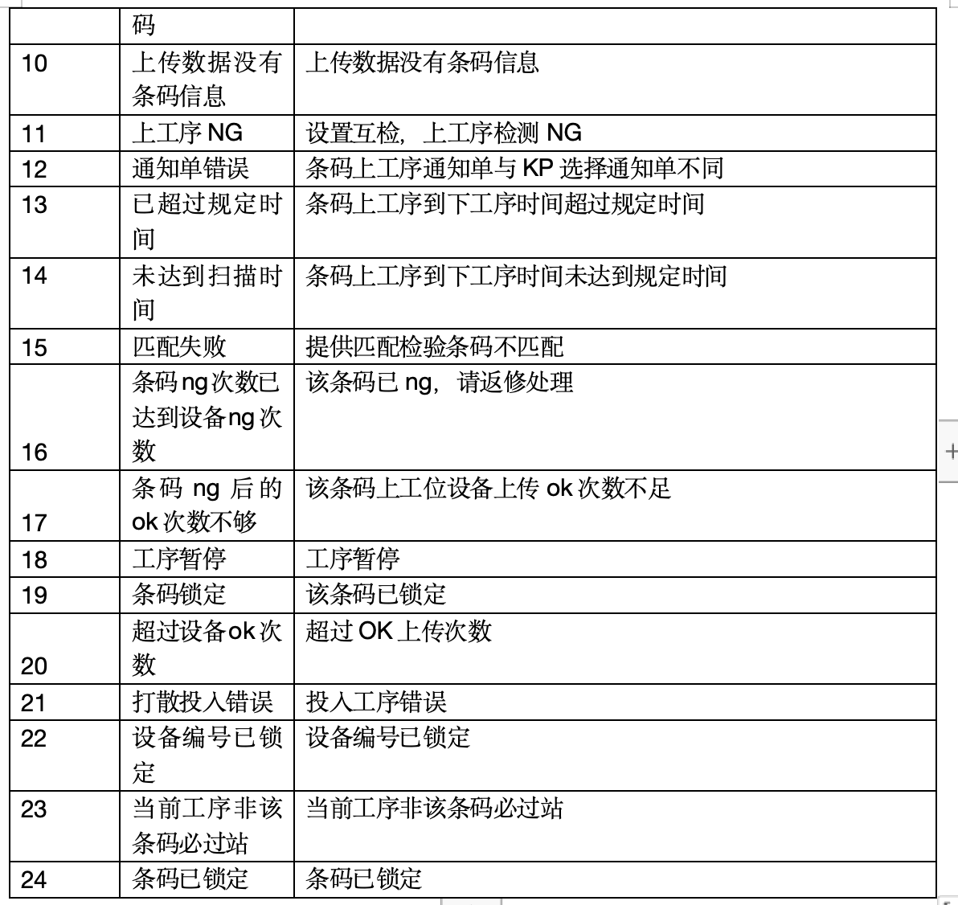
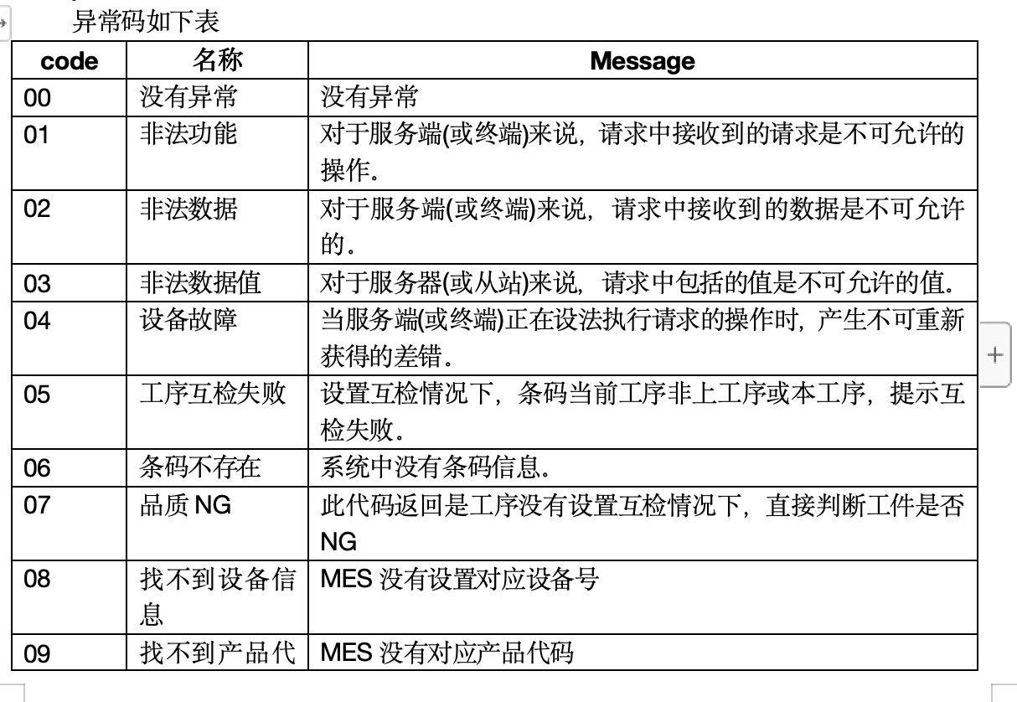
 | 翻译文本：MES返回错误信息英文，中英文比照如右 |  |  |  |  |  | 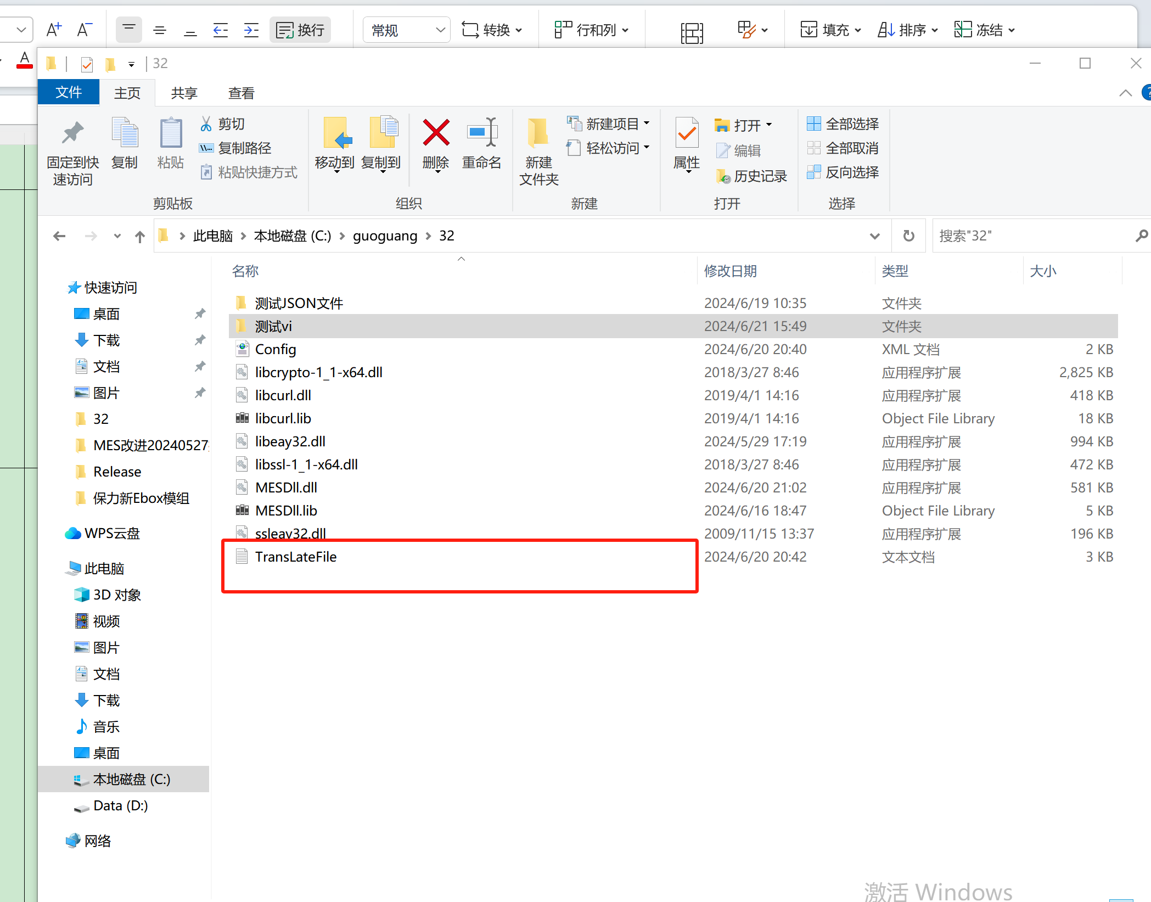 |  | 非法功能={"code":"01", "message":"Illegal function"} 非法数据={"code":"02", "message":"Illegal data"} 非法数据值={"code":"03", "message":"Illegal data value"} 设备故障={"code":"04", "message":""Device malfunction"} 工序互检失败={"code":"05", "message":"Process intercheck failure"} 条码不存在={"code":"06", "message":"SN is not exist"} 品质NG={"code":"07", "message":"Quality NG"} 找不到设备信息={"code":"08", "message":"Device information not found"} 找不到产品代码={"code":"09", "message":"Product code not found"} 上传数据没有条码信息={"code":"10", "message":"No barcode information in uploaded data"} 上工序NG={"code":"11", "message":"NG in previous process"} 通知单错误={"code":"12", "message":"Notification error"} 已超过规定时间={"code":"13", "message":"Exceeded specified time"} 未达到扫描时间={"code":"14", "message":"Did not reach scanning time"} 匹配失败={"code":"15", "message":"Matching failure"} 条码ng次数已达到设备ng次数={"code":"16", "message":"Barcode NG count has reached device NG count"} 条码ng后的ok次数不够={"code":"17", "message":"Insufficient OK count after barcode NG"} 工序暂停={"code":"18", "message":"Process paused"} 条码锁定={"code":"19", "message":"Barcode locked"} 超过设备ok次数={"code":"20", "message":"Exceeded device OK count"} 打散投入错误={"code":"21", "message":"Disassembly input error"} 设备编号已锁定={"code":"22", "message":"Device ID locked"} 当前工序非该条码必过站={"code":"23", "message":"Current process is not a mandatory station for this barcode"} 条码已锁定={"code":"24", "message":"Barcode locked"} 获取[POWER]失败={"code":"25", "message":"Get Power Error"} 拒绝连接={"code":"26", "message":"MES Refuse Connect"} 1600999={"code":"27", "message":"org.springframework.jdbc.CannotGetJdbcConnectionException: Failed to obtain JDBC Connection"} 未能连接到MES=Failed to connect to MES,Please connect to the network. 投入工序错误={"code":"27", "message":"Input process error"} 参数为空。【条码(barcode)】={"code":"28", "message":"SN is null"}

 | 使用前，存放相关文件到机台运行目录 |  |  |  |  |  | 使用前需将截图内所有文件放置到机台运行目录 | 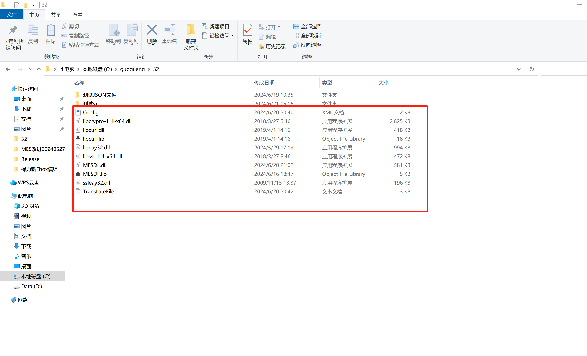
 | 使用前，需确认Config.xml参数，具体如右说明 |  |  |  |  |  | 使用前，需确认Config.xml参数，具体如右说明 | 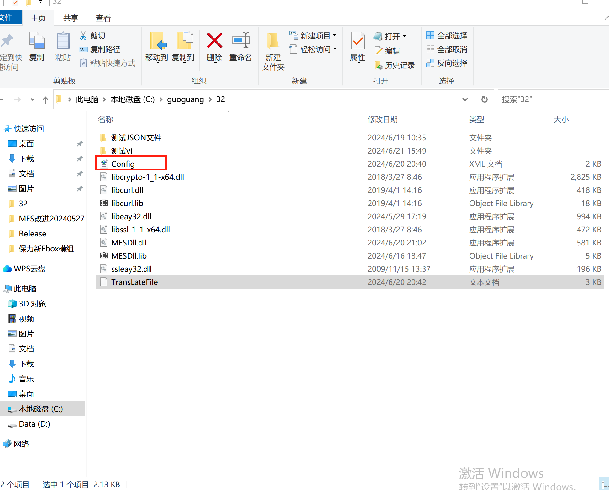 | Config.xml内配置参数，参数具体内容如下: <?xml version="1.0" encoding="UTF-8"?> <Root> <!-- 日志存放路径 --> <logPath>D:/DllLog</logPath> <!-- 机台测试JOSN文件存放路径 --> <JsonPath>D:/data</JsonPath> <!-- 机台测试JOSN文件备份存放路径 --> <JsonBackoutPath>D:/dataBackout</JsonPath> <!-- 上传机台测试数据定时任务时间 默认5秒--> <upLoadDataTime>5</upLoadDataTime> <!-- 互检接口地址 --> <CheckIP>http://10.130.34.72:8088</CheckUrl> <CheckUrl>http://10.130.34.72:8088/request100</CheckUrl> <!-- 互检站点 --> <equipment>W02FATP023</equipment> <!-- 设备ID --> <operator>zz</operator> <!-- 操作人 --> <equipmentNo>TP-TC03C</equipmentNo> <!-- 设备编号 --> <fixture>11</fixture> <!-- 夹具号 --> <!-- MES接口地址 --> <MesUrlIP>http://gscapi-test.ggec.com.cn:8091</MesUrl> <MesUrl>http://gscapi-test.ggec.com.cn:8091/itf/api</MesUrl> <!-- MES sign --> <sign>123456</sign> <!-- MES code --> <code>SONOS</code> <!-- MES 3.1.1.数据上传 type --> <sonosUploadVariablesByStation>sonosUploadVariablesByStation</sonosUploadVariablesByStation> <!-- MES 3.1.2.MAC 分配 type --> <sonosGetMacInfo>sonosGetMacInfo</sonosGetMacInfo> <!-- 3.1.3.SKU、COLOR、REGION、SERILSID信息获取 type --> <sonosGetBaseInfo>sonosGetBaseInfo</sonosGetBaseInfo> <!-- 3.1.4.测试结果上传 type --> <sonosTestResultUpload>sonosTestResultUpload</sonosTestResultUpload> <!-- 3.1.5.子板SN信息获取 GetKeyPartsInfo type --> <sonosGetKeyPartsInfo>sonosGetKeyPartsInfo</sonosGetKeyPartsInfo> </Root>

BU | Function name | Functional | return value | description | name | type | function description
ALL | StartDB | Connect to FIS 连接dll 参照测试vi文件夹中StartDB.vi | int | 作業結果，1：PASS、2：FAIL | msg | TCHAR * | int32_t StartDB(CStr msg); | 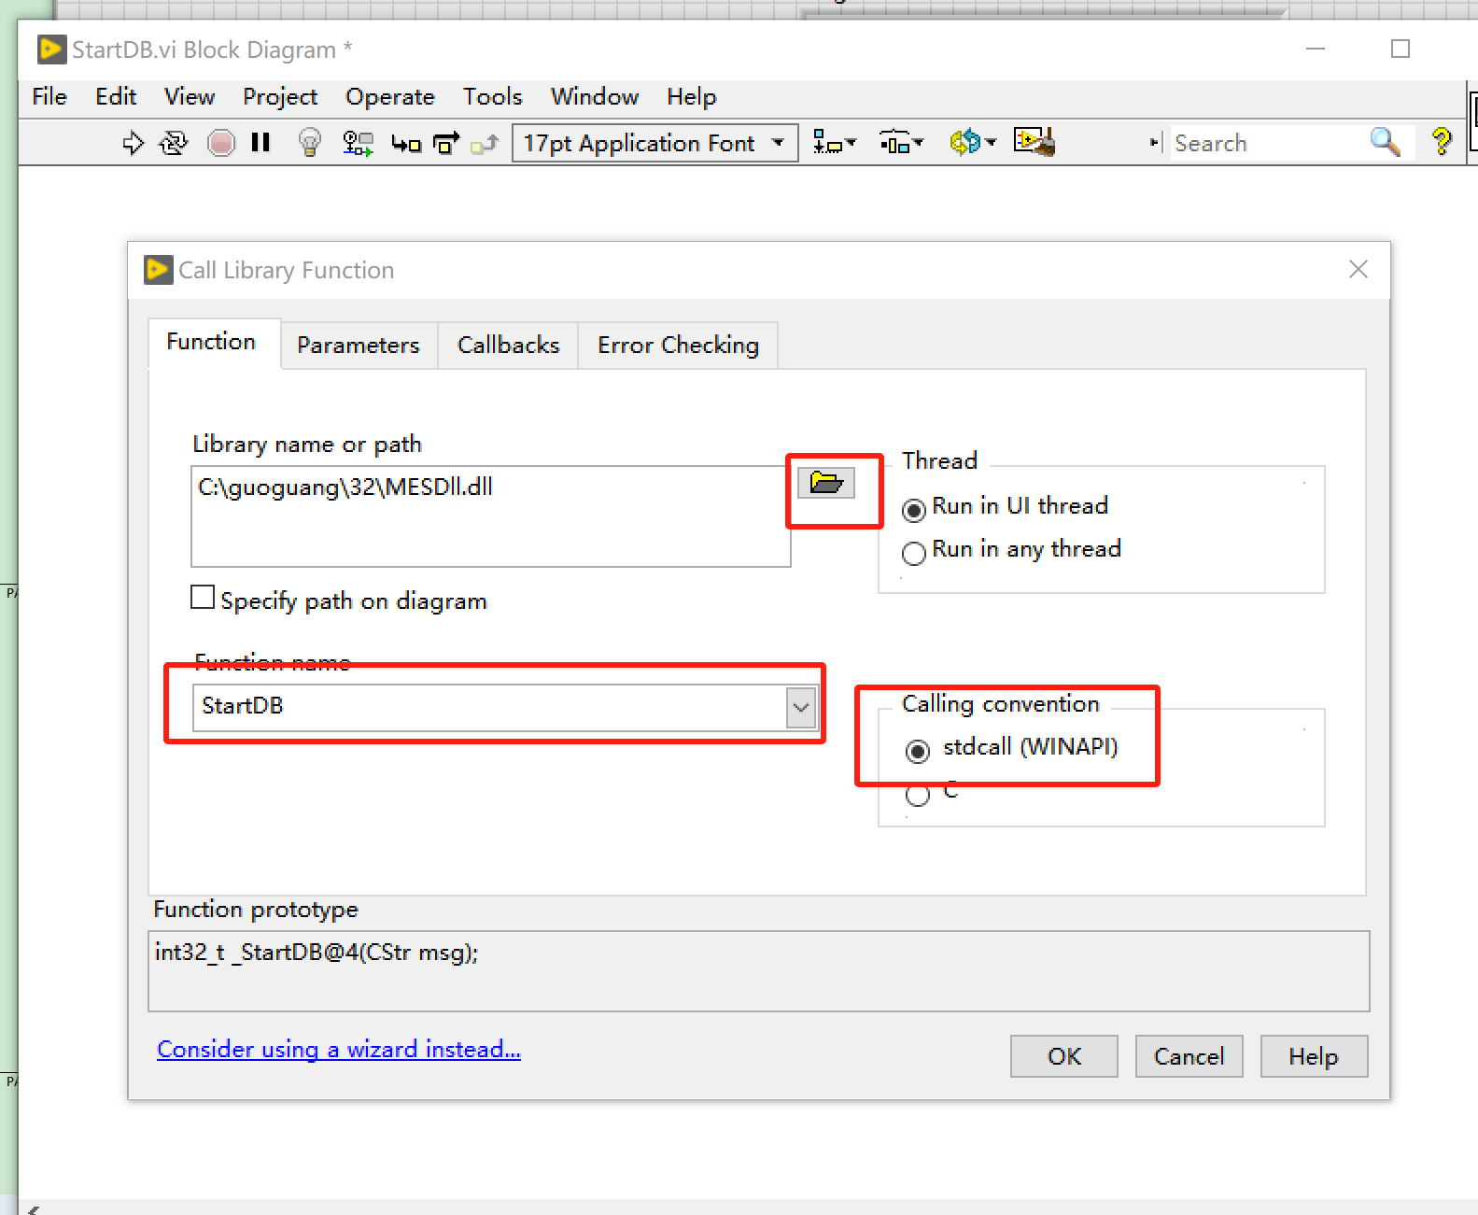 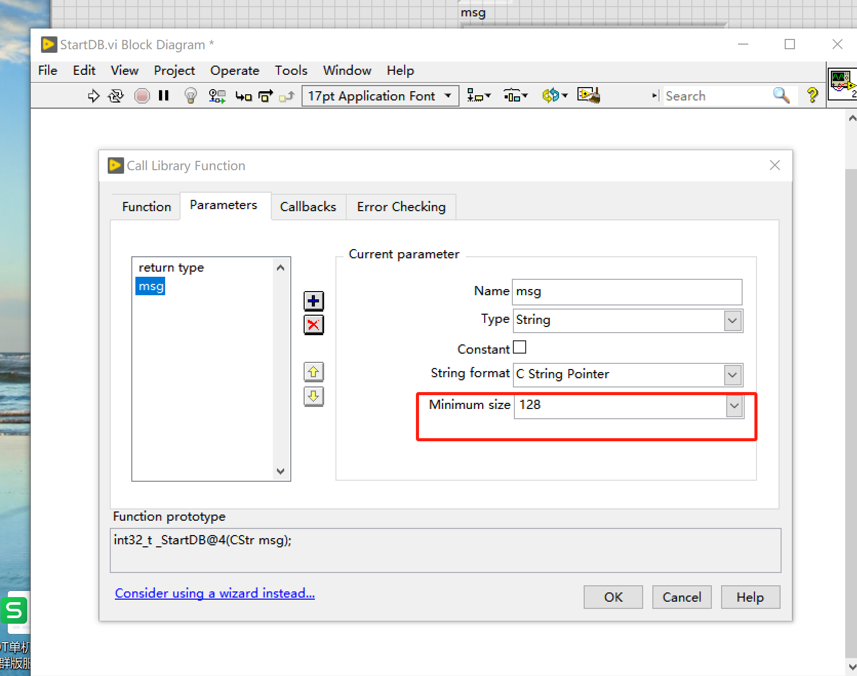

ALL | StopDB | Disconnect FIS 断开dll 参照测试vi文件夹中StopDB.vi | int | 作業結果，1：PASS、2：FAIL | msg | TCHAR * | int32_t StopDB(CStr msg); | 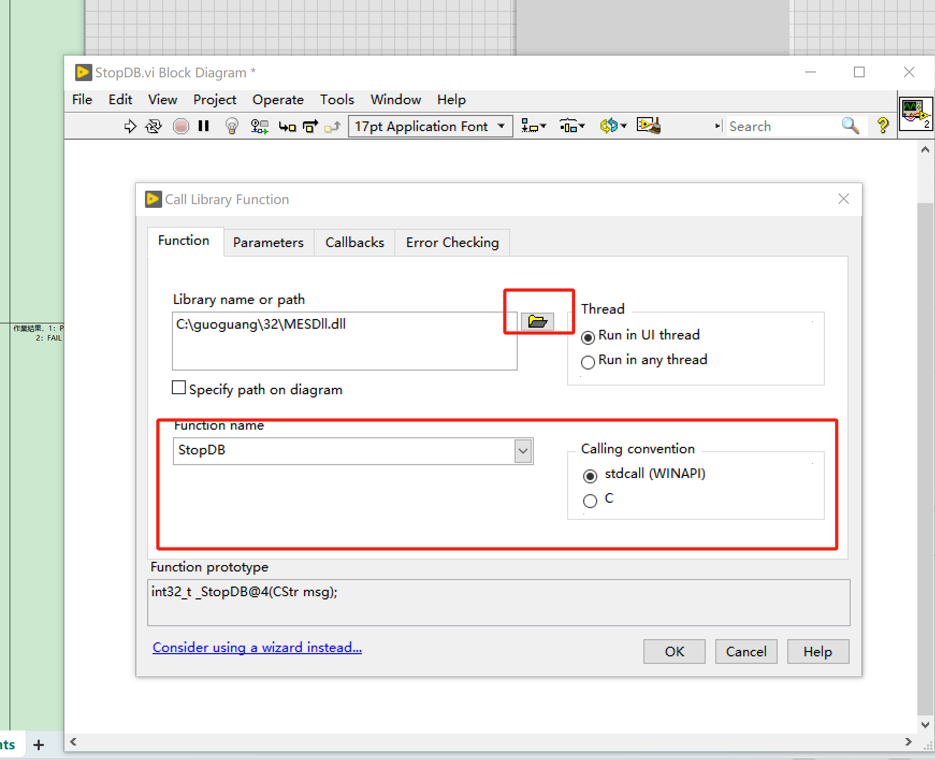 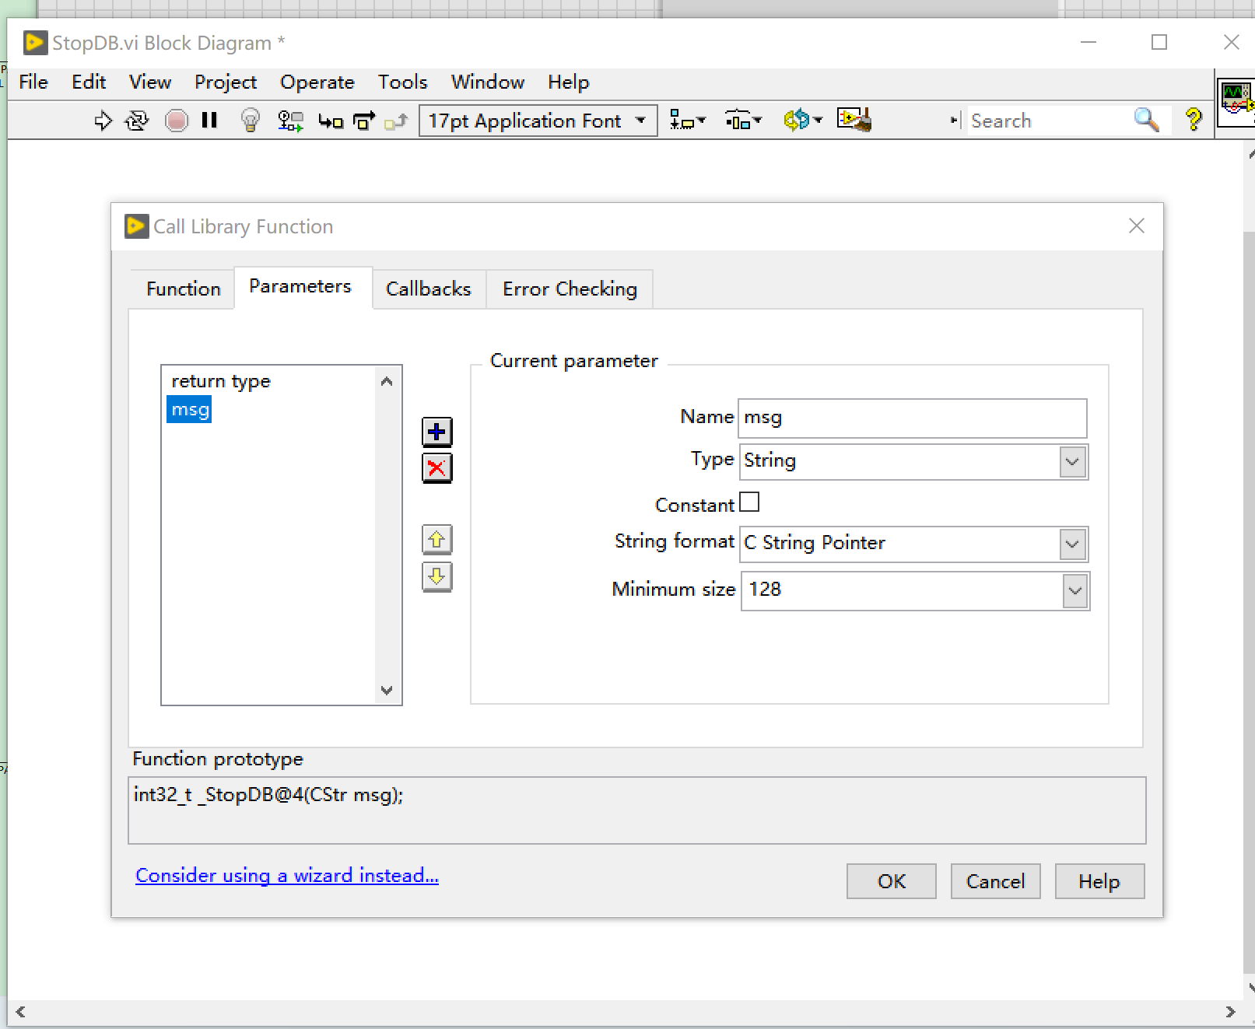

ALL | CheckMBSno | Check SN 互检接口，必须在config.xml里配置好站点信息 参照测试vi文件夹中CheckMBSno.vi | int | 作業結果，1：PASS、2：FAIL | sn | TCHAR * | int32_t CheckMBSno(CStr sn, CStr msg); check the test process, see if it should be tested under this station. | 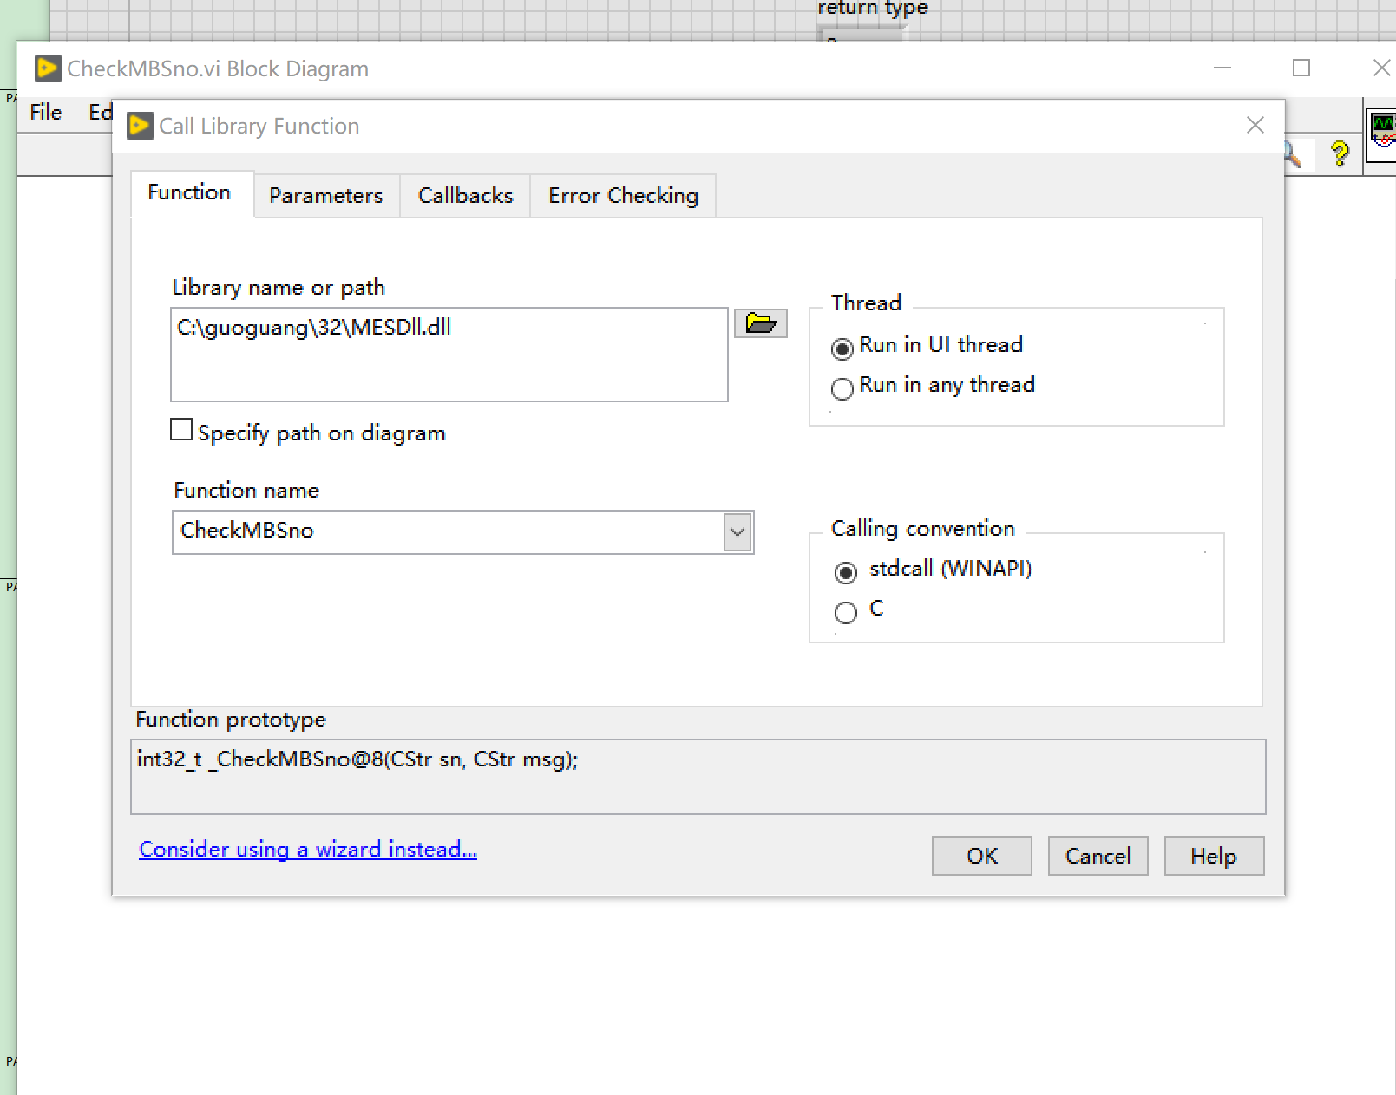 | sn: ：W0201A00000001到W0201A00000005
 |  |  |  |  | msg | TCHAR *
ALL | UploadTestResult | Upload result 上传测试结果 passfail:只能输入:pass、fail 参照测试vi文件夹中UploadTestResult.vi | int | 作業結果，1：PASS、2：FAIL | sn | const TCHAR * | int32_t UploadTestResult(CStr sn, CStr passfail, CStr msg); | 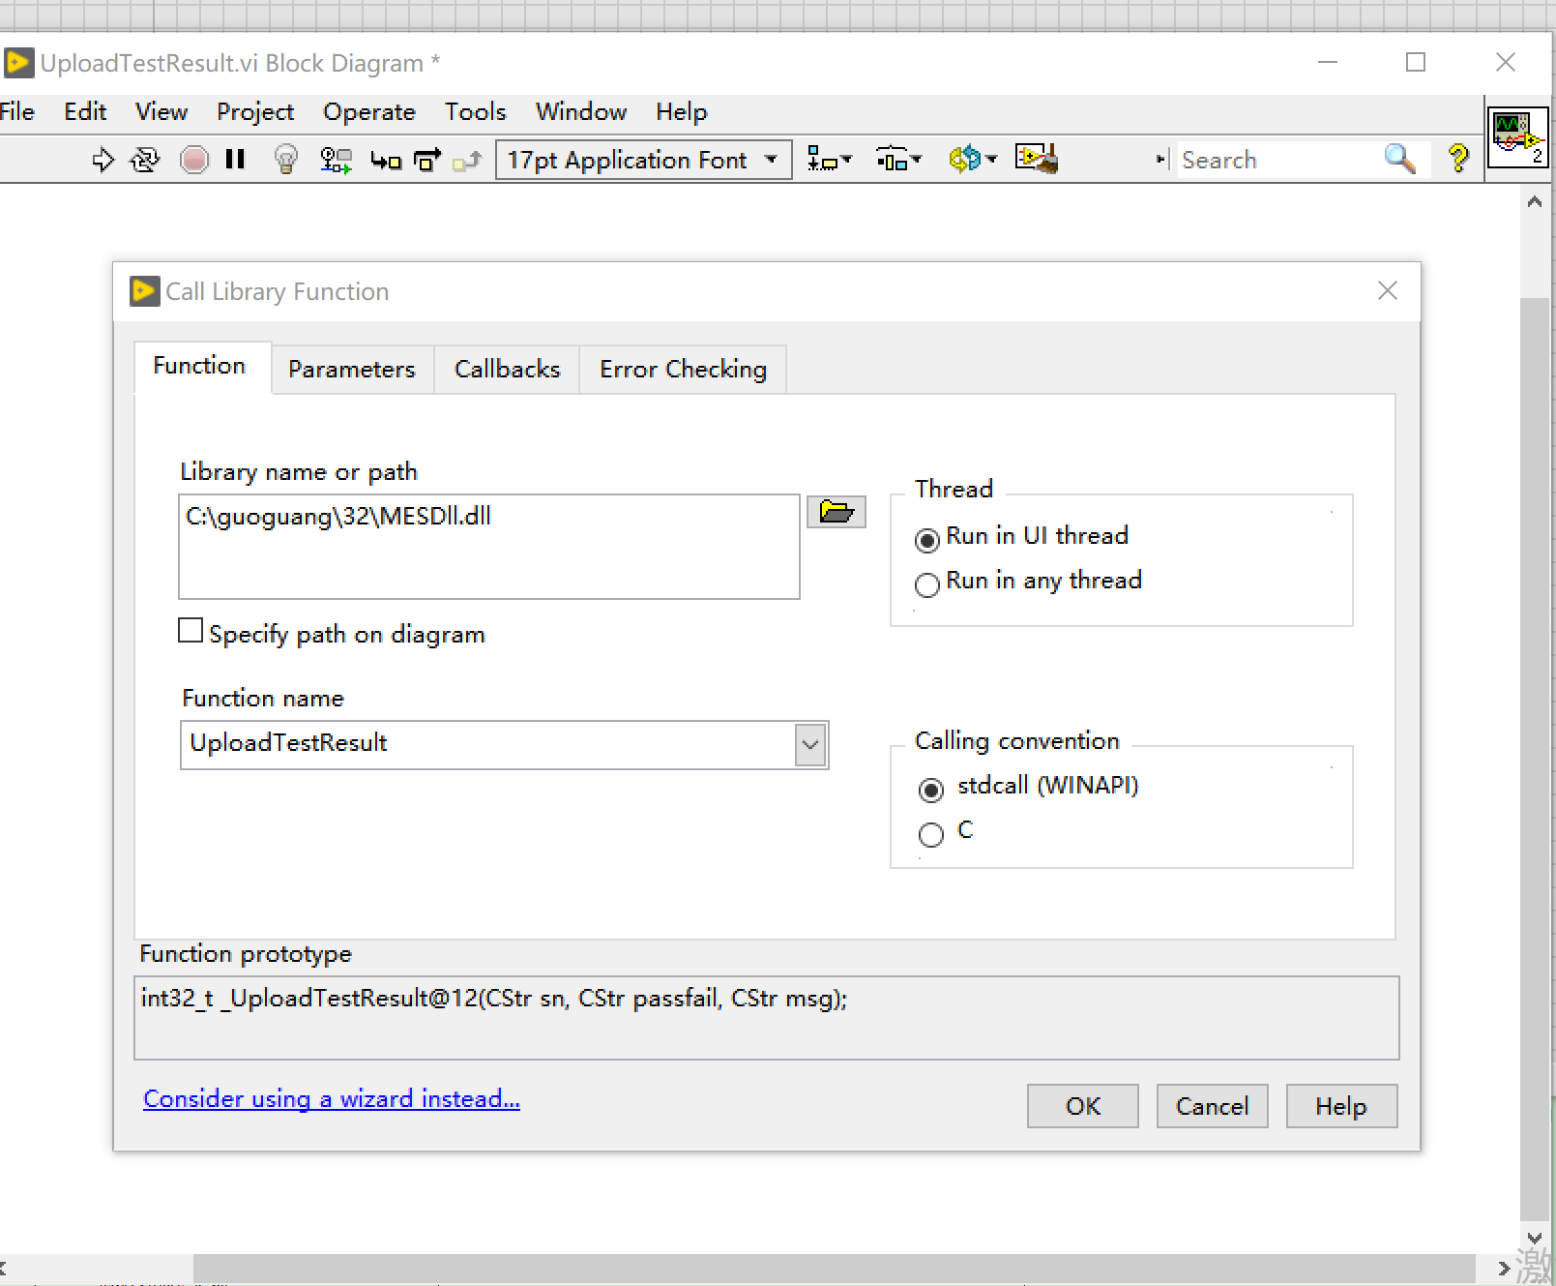 | sn: ：W0201A00000001到W0201A00000005 passfail:只能输入:pass、fail
 |  |  |  |  | passfail | TCHAR *
 |  |  |  |  | msg | TCHAR *
ALL | SaveVariablesByStation_Json | Save variable to FIS 存item信息，待用 参照测试vi文件夹中SaveVariablesByStation_Json.vi | int | 作業結果，1：PASS、2：FAIL | sn | const TCHAR * | int32_t SaveVariablesByStation_Json(CStr sn, CStr vars_jason, CStr msg); upload some information to FIS, e.g:[{"Item":"PIN_Code","Value":"111-222-33"},{"Item":"Region","Value":"US"}], QRcode, Submodel, Hwfeatures # mdputil -p VENDOR=1 MODEL=23 SUBMODEL=1 SERIES_ID=A100 (dynamic) REVISION=11 SERIAL=48A6B83AFFA1C REGION=1 COPYRIGHT='Copyright 2016 Sonos, Inc.' FLAGS=0x30 # (HAS_VERSION ) HWFEATURES=0x0 # () CH11SPURIMMUNITYLEVEL=0 WIFITYPE=N MDPVERSION=6 MDP2ENCVERSION=5 MDP3VERSION=2 PAGESPRESENT=0x7 AUTHFLAGS=0x49bf # (verified) FUSEVAL=0xf # (fuse) REVOKED=0x1 SWFEATURES=0x49be VARIANT=1 SERIALSIG=OK PIN=123-45-678 QR_CODE_PIN=663-92-493 QR_CODE_URL=https://setup.ws.sonos.com/qr?d=AEimuDr/oQAXAAELAmY5JJM= LOCATION=0 TestRail: Results item相当于mes的name | 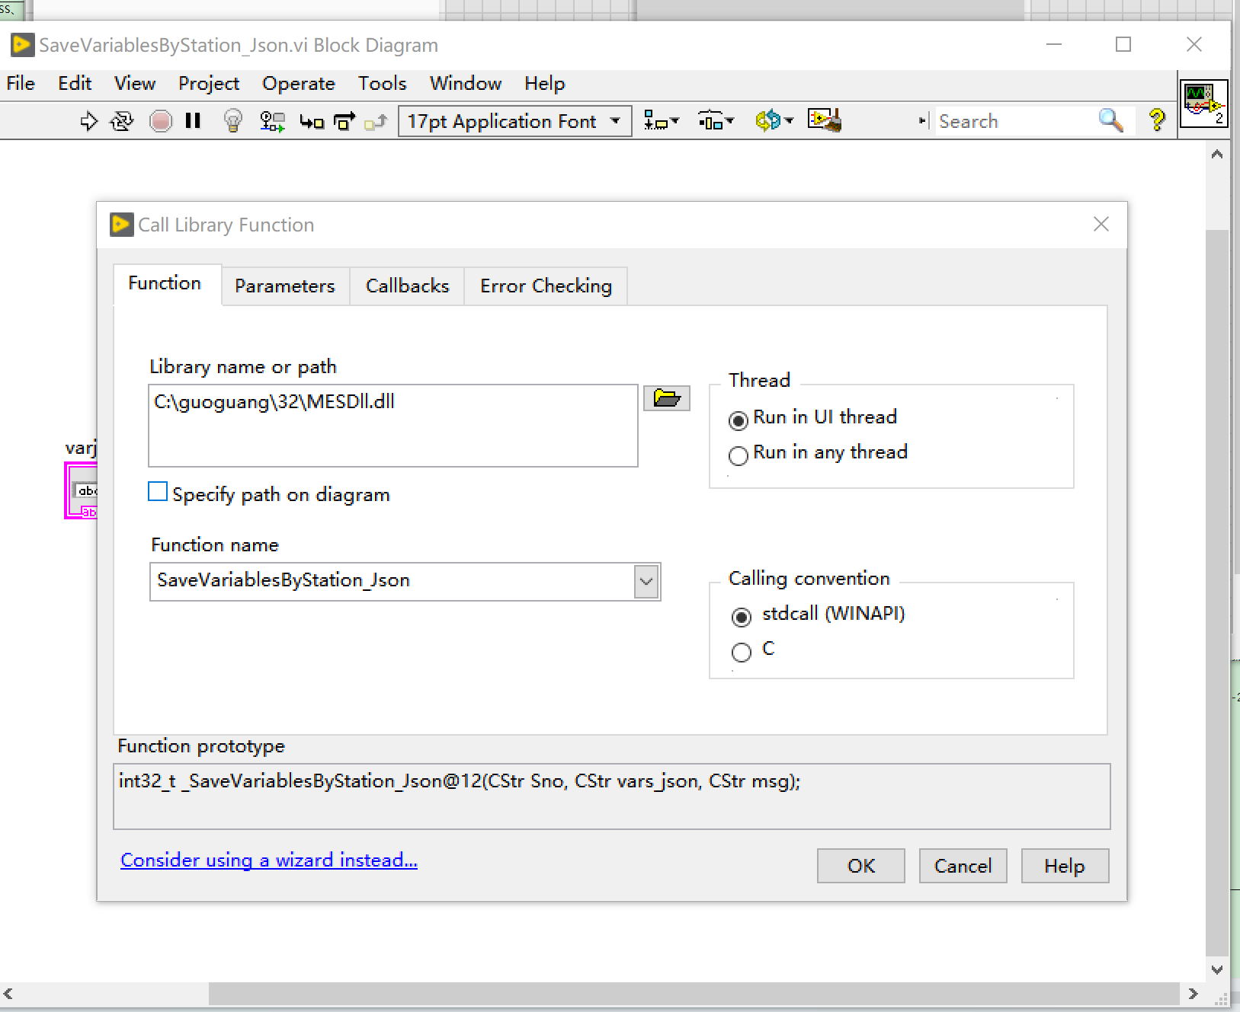 | sn: W0201A00000001到W0201A00000005 vars_json: [{"Item":"PIN_Code","Value":"111-222-33"}]
 |  |  |  |  | vars_json | const TCHAR *
 |  |  |  |  | msg | TCHAR *
ALL | GetBurnInCustomNo | Get assign MAC 获取MAC 参照测试vi文件夹中GetBurnInCustomNo.vi | int | 作業結果，1：PASS、2：FAIL | sn | TCHAR * | int32_t GetBurnInCustomNo(CStr sn,CStr mac, CStr msg); e.g.:"AABBCCDDEEFFG" | 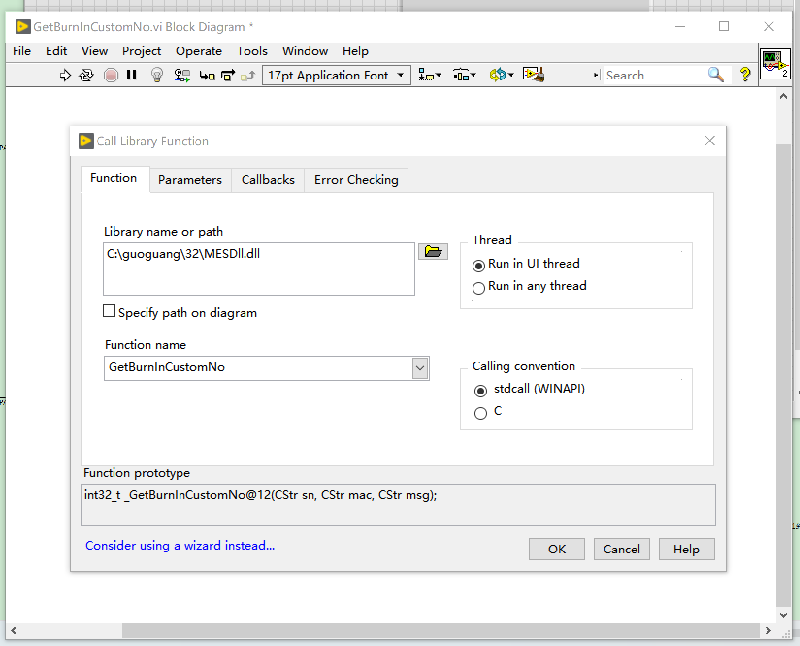 | sn: ：W0201A00000001到W0201A00000005
 |  |  |  |  | mac | TCHAR *
 |  |  |  |  | msg | TCHAR *
ALL | GetKeyPartsInfo | get sub sn 获取子版信息 参照测试vi文件夹中GetKeyPartsInfo.vi | int | 作業結果，1：PASS、2：FAIL | sn | const TCHAR * | int32_t GetKeyPartsInfo(CStr sn,CStr boards_json CStr msg); Get boards SNs, like POWER, CPU, TOP e.g.: [{"Item":"POWER_BOARD","Value":"NTB5921AG00314"},{"Item":"CI_BOARD","Value":"NTB5918M100878"},{"Item":"BATTERY_SN","Value":"8535-101211237945PM"}] | 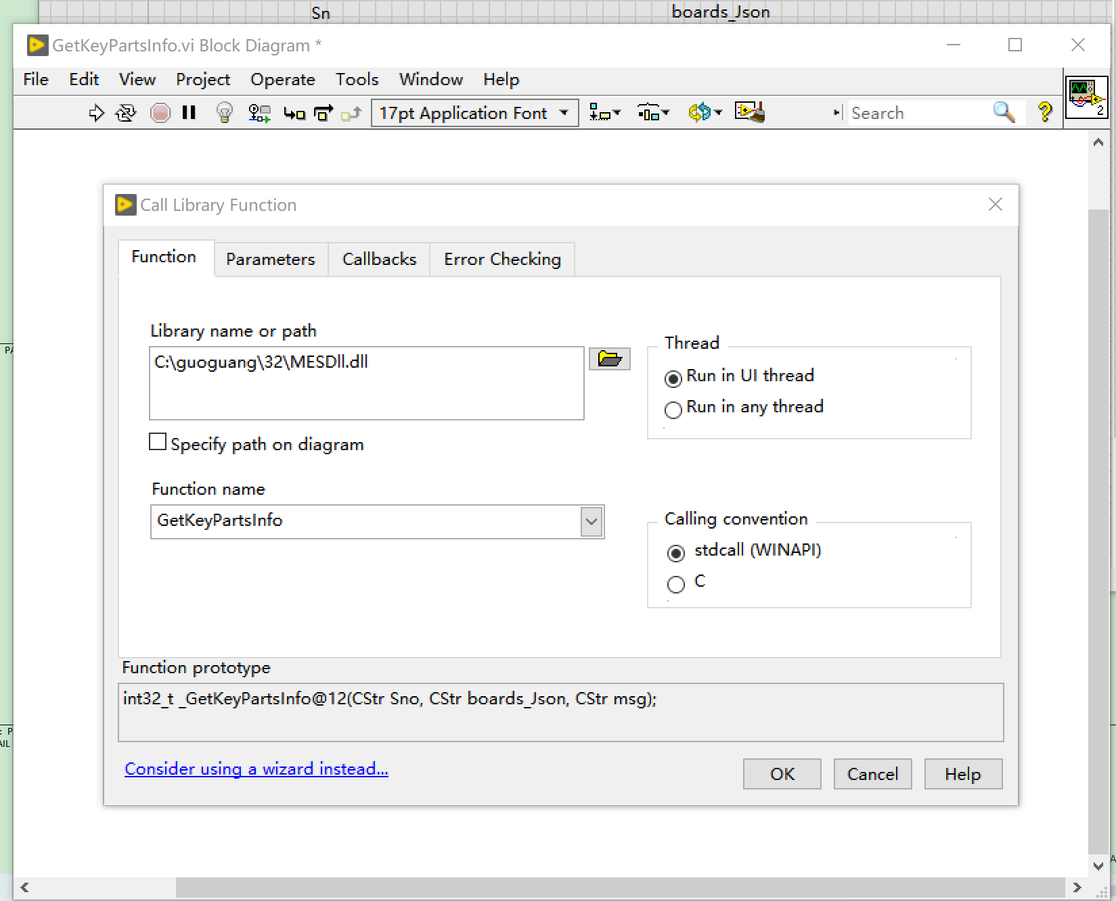 | 测试环境的CPU板件SN：W0201A00000001到W0201A00000005
 |  |  |  |  | boards_Json | TCHAR*
 |  |  |  |  | msg | TCHAR *
ALL | GetVariablesByProduct | Get serils ID 参照测试vi文件夹中GetVariablesByProduct.vi | int | 作業結果，1：PASS、2：FAIL | sn | TCHAR * | int32_t GetVariablesByProduct(CStr sn, CStr seriesID CStr msg); get series ID, e.g : A200 | 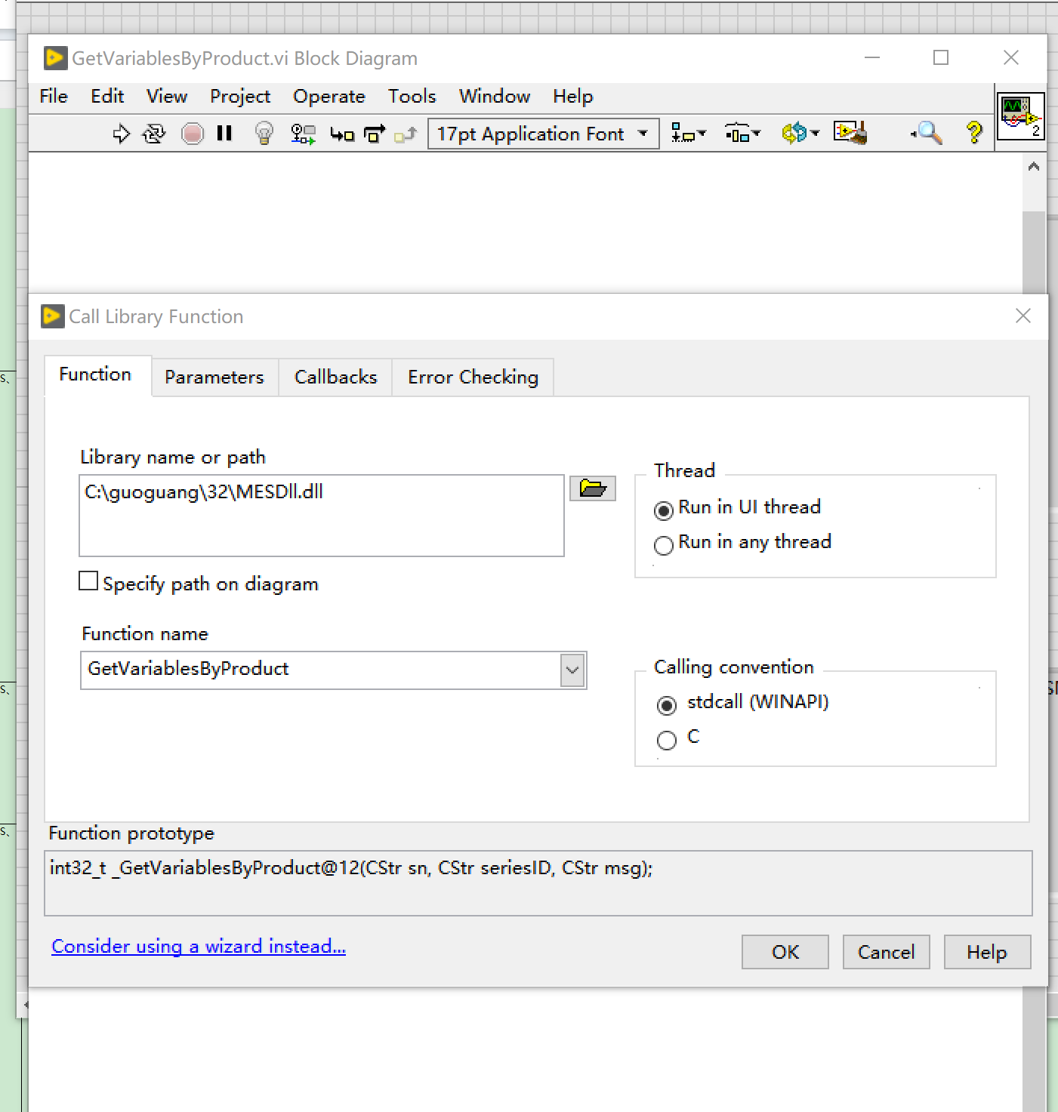 | sn：W0201A00000001到W0201A00000005
 |  |  |  |  | seriesID | TCHAR *
 |  |  |  |  | msg | TCHAR *
ALL | GetVariablesBySNModel_Json | Get SKU and region 参照测试vi文件夹中GetVariablesBySNModel_Json.vi | int | 作業結果，1：PASS、2：FAIL | sn | const TCHAR * | int32_t GetVariablesBySNModel_Json(CStr sn, CStr variables_json, CStr msg); Get region ,e.g.:[{"Item":"SKU","Value":"ABCD"},{"Item":"Region","Value":"US"}] | 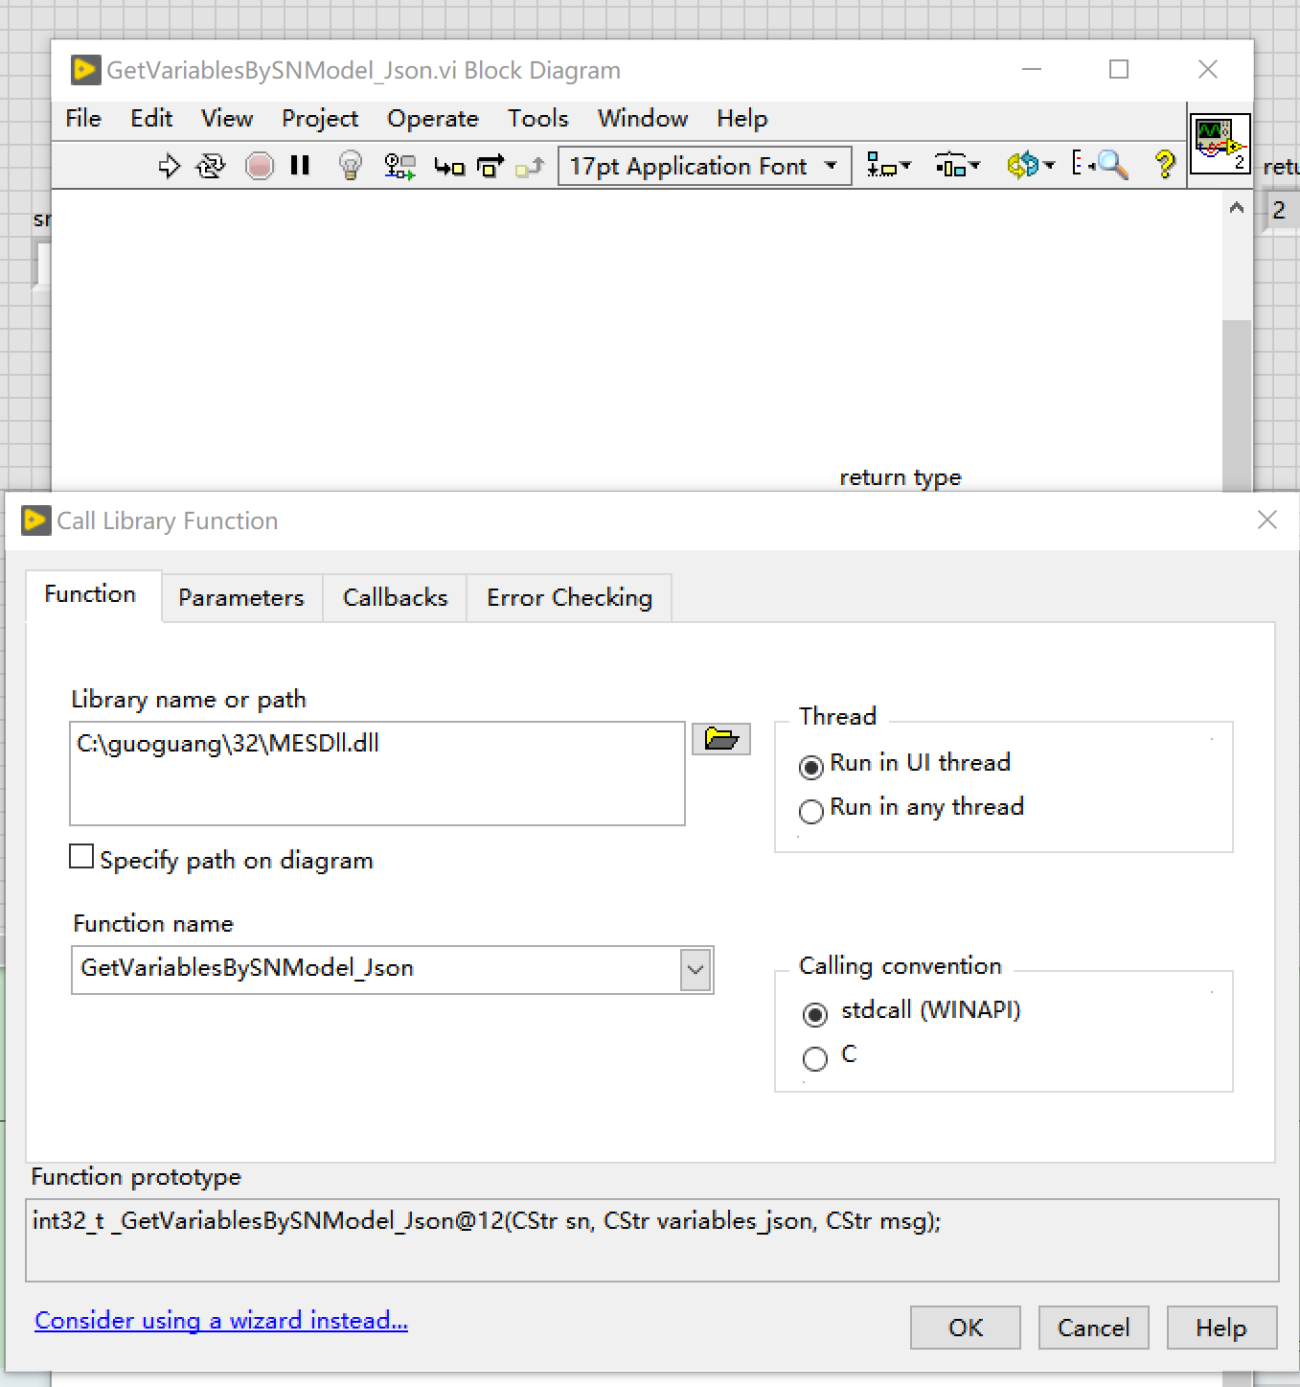 | sn：W0201A00000001到W0201A00000005
 |  |  |  |  | variables_json | TCHAR *
 |  |  |  |  | msg | TCHAR *
ALL | GetVariablesByStation_Json | get unit color(number code) and series ID and PIN_Code 获取颜色和series ID，PIN_Code 参照测试vi文件夹中GetVariablesByStation_Json.vi | int | 作業結果，1：PASS、2：FAIL | sn | const TCHAR * | int32_t GetVariablesByStation_Json(CStr sn, CStr variables_jason,CStr msg); e.g.[{"Item":"ColorCode","Value":"2"},{"Item":"SeriesID[NTG]","Value":"A100"},{"Item":"PIN_Code","Value":"111-222-33"}] #define MDP_VARIANT_NONE 0 #define MDP_VARIANT_WHITE 1 #define MDP_VARIANT_BLACK 2 #define MDP_VARIANT_WHITE_GLOSS 3 #define MDP_VARIANT_WHITE_MATTE 4 #define MDP_VARIANT_BLACK_GLOSS 5 #define MDP_VARIANT_BLACK_MATTE 6 #define MDP_VARIANT_BLUE 7 #define MDP_VARIANT_LIMITED 8 #define MDP_VARIANT_SHADOW 9 #define MDP_VARIANT_LUNAR_WHITE 10 #define VARIANT_WILDCARD 11 #define MDP_VARIANT_OLIVE 12 #define MDP_VARIANT_WAVE 13 #define MDP_VARIANT_SUNSET 14 | 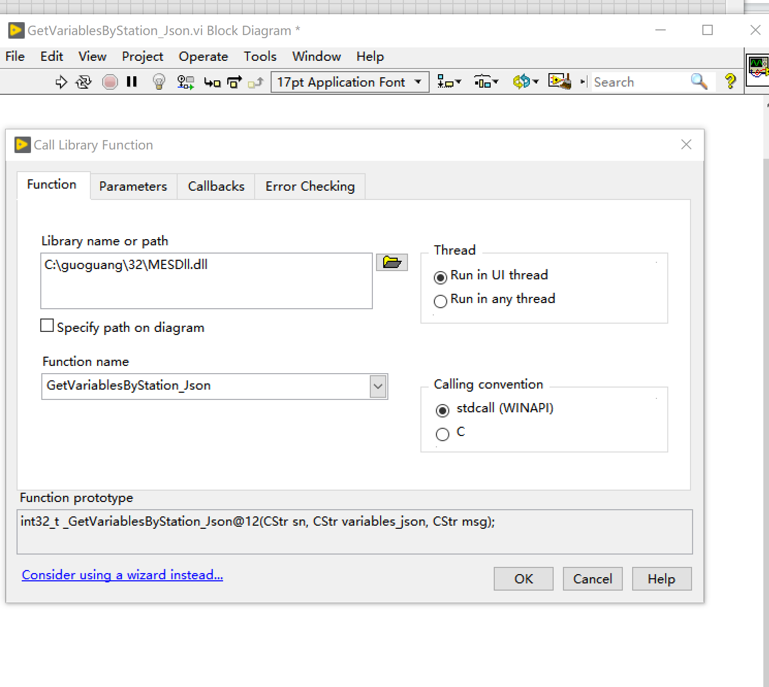 | sn：W0201A00000001到W0201A00000005
 |  |  |  |  | variables_json | TCHAR *
 |  |  |  |  | msg | TCHAR *
ALL | GetSNInfoByStation | get battery cell info 信息 参照测试vi文件夹中GetSNInfoByStation.vi | int | 作業結果，1：PASS、2：FAIL | sn | TCHAR * | int32_t GetSNInfoByStation(CStr sn, CStr variables_jason,CStr msg); e.g:[{"Item":"POWER_BOARD","Value":"NTB5921AG00314"},{"Item":"BATTERY_SN","Value":"8535-101211237945PM"}] | 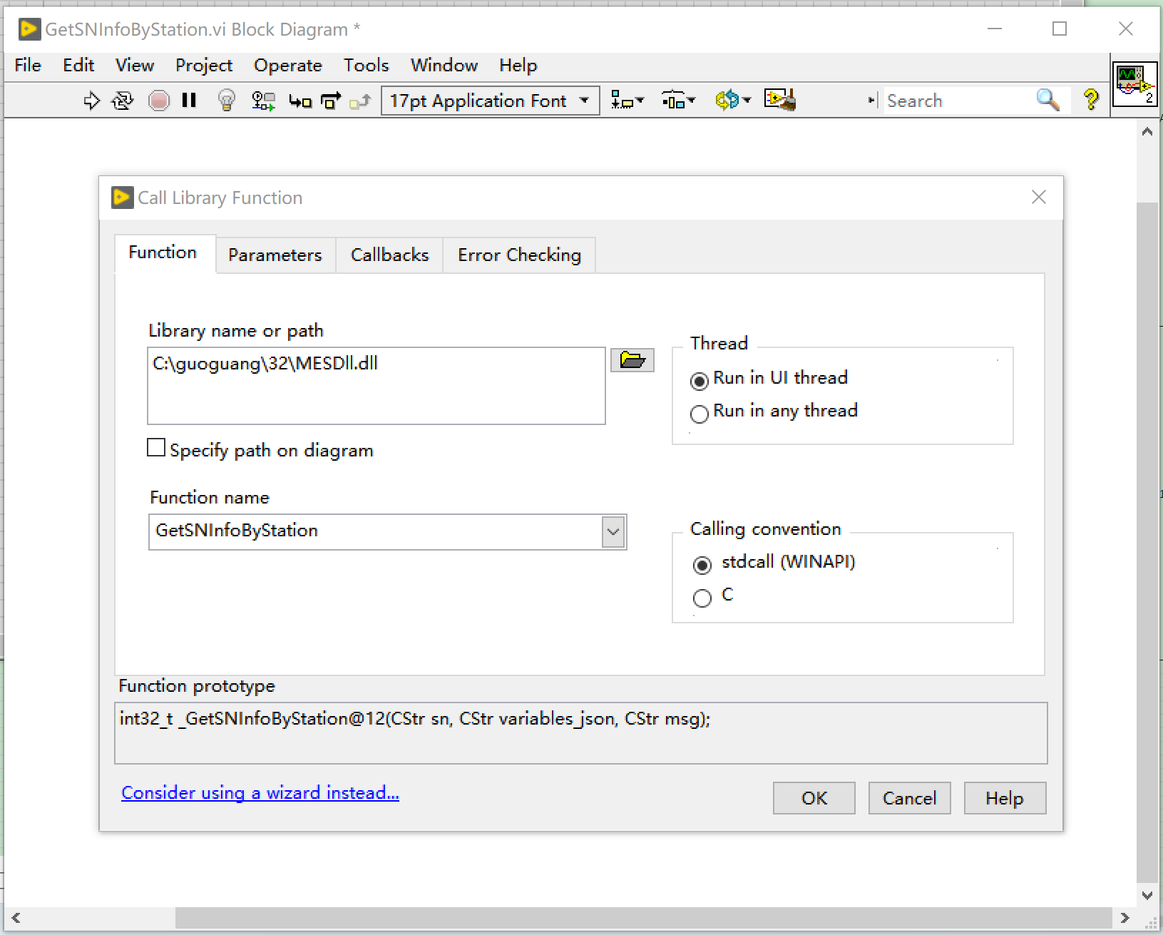 | 测试环境的CPU板件SN：W0201A00000001到W0201A00000005
 |  |  |  |  | variables_json | TCHAR *
 |  |  |  |  | msg | TCHAR *

